Sort Result
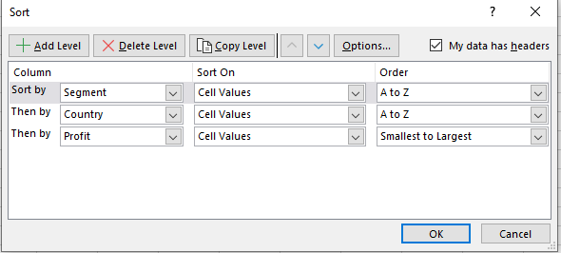
ID | Segment | Country | Date | Profit
3331 | Channel Partners | Canada | 2021-06-01 | -14202
695 | Channel Partners | Canada | 2021-06-01 | 17043
526 | Channel Partners | Canada | 2021-08-01 | 55010
1746 | Channel Partners | Canada | 2021-01-01 | 60394
346 | Channel Partners | Canada | 2021-05-01 | 166490
1727 | Channel Partners | Canada | 2021-04-01 | 196137
405 | Channel Partners | Canada | 2021-12-01 | 219249
3127 | Channel Partners | Canada | 2021-12-01 | 232472
2715 | Channel Partners | France | 2021-11-01 | 39271
329 | Channel Partners | France | 2021-09-01 | 60921
423 | Channel Partners | France | 2021-08-01 | 87532
2577 | Channel Partners | France | 2021-04-01 | 89649
1783 | Channel Partners | France | 2021-12-01 | 112636
3189 | Channel Partners | France | 2021-11-01 | 195638
1053 | Channel Partners | France | 2021-11-01 | 211082
1823 | Channel Partners | France | 2021-05-01 | 223042
2466 | Channel Partners | France | 2021-09-01 | 258051
1121 | Channel Partners | France | 2021-05-01 | 258583
3106 | Channel Partners | Germany | 2021-11-01 | 55433
1989 | Channel Partners | Germany | 2021-04-01 | 61230
2001 | Channel Partners | Germany | 2021-02-01 | 74022
688 | Channel Partners | Germany | 2021-03-01 | 87460
2475 | Channel Partners | Germany | 2021-03-01 | 114470
3307 | Channel Partners | Germany | 2021-06-01 | 223894
1706 | Channel Partners | Germany | 2021-04-01 | 247904
3224 | Channel Partners | Germany | 2021-01-01 | 256329
686 | Channel Partners | Mexico | 2021-10-01 | 18670
3305 | Channel Partners | Mexico | 2021-03-01 | 155535
2716 | Channel Partners | Mexico | 2021-09-01 | 208038
1244 | Channel Partners | Mexico | 2021-07-01 | 219148
1788 | Channel Partners | Mexico | 2021-05-01 | 232025
451 | Channel Partners | Mexico | 2021-09-01 | 242254
1743 | Channel Partners | United States of America | 2021-01-01 | 6345
1782 | Channel Partners | United States of America | 2021-03-01 | 30219
1048 | Channel Partners | United States of America | 2021-01-01 | 41318
3122 | Channel Partners | United States of America | 2021-07-01 | 59920
3379 | Channel Partners | United States of America | 2021-09-01 | 74093
1024 | Channel Partners | United States of America | 2021-08-01 | 124717
568 | Channel Partners | United States of America | 2021-12-01 | 142874
1022 | Channel Partners | United States of America | 2021-07-01 | 152936
2100 | Channel Partners | United States of America | 2021-04-01 | 189847
3265 | Channel Partners | United States of America | 2021-02-01 | 192728
1722 | Channel Partners | United States of America | 2021-04-01 | 201120
3469 | Channel Partners | United States of America | 2021-07-01 | 252080
1809 | Enterprise | Canada | 2021-07-01 | 23560
3423 | Enterprise | Canada | 2021-06-01 | 34080
3145 | Enterprise | Canada | 2021-01-01 | 40778
1045 | Enterprise | Canada | 2021-08-01 | 99343
3108 | Enterprise | Canada | 2021-07-01 | 104422
3295 | Enterprise | Canada | 2021-11-01 | 161110
2670 | Enterprise | France | 2021-12-01 | 12709
1332 | Enterprise | France | 2021-07-01 | 26819
2580 | Enterprise | France | 2021-04-01 | 42319
1377 | Enterprise | France | 2021-05-01 | 57755
2439 | Enterprise | France | 2021-12-01 | 71529
1210 | Enterprise | France | 2021-08-01 | 109849
2044 | Enterprise | France | 2021-05-01 | 164464
342 | Enterprise | France | 2021-01-01 | 180969
2744 | Enterprise | France | 2021-12-01 | 210352
2739 | Enterprise | France | 2021-10-01 | 236531
3498 | Enterprise | Germany | 2021-08-01 | 7269
1398 | Enterprise | Germany | 2021-08-01 | 19002
2423 | Enterprise | Germany | 2021-08-01 | 23010
1329 | Enterprise | Germany | 2021-07-01 | 36547
2009 | Enterprise | Germany | 2021-05-01 | 124153
1107 | Enterprise | Germany | 2021-03-01 | 126174
1353 | Enterprise | Germany | 2021-09-01 | 220591
2621 | Enterprise | Mexico | 2021-05-01 | 1696
1307 | Enterprise | Mexico | 2021-02-01 | 13845
2654 | Enterprise | Mexico | 2021-02-01 | 27849
3399 | Enterprise | Mexico | 2021-08-01 | 75634
636 | Enterprise | Mexico | 2021-08-01 | 86220
1256 | Enterprise | Mexico | 2021-06-01 | 91931
2455 | Enterprise | Mexico | 2021-02-01 | 157993
659 | Enterprise | Mexico | 2021-04-01 | 173199
3138 | Enterprise | United States of America | 2021-11-01 | 28110
3443 | Enterprise | United States of America | 2021-03-01 | 75969
1037 | Enterprise | United States of America | 2021-12-01 | 198140
952 | Government | Canada | 2021-07-01 | 7819
949 | Government | Canada | 2021-12-01 | 8406
2352 | Government | Canada | 2021-06-01 | 17150
1505 | Government | Canada | 2021-10-01 | 24838
950 | Government | Canada | 2021-06-01 | 27137
825 | Government | Canada | 2021-06-01 | 32352
88 | Government | Canada | 2021-01-01 | 36125
3050 | Government | Canada | 2021-03-01 | 51626
3080 | Government | Canada | 2021-09-01 | 55991
819 | Government | Canada | 2021-05-01 | 59423
2839 | Government | Canada | 2021-11-01 | 63494
1653 | Government | Canada | 2021-07-01 | 64755
739 | Government | Canada | 2021-11-01 | 86186
1525 | Government | Canada | 2021-02-01 | 105602
805 | Government | Canada | 2021-02-01 | 134977
1415 | Government | Canada | 2021-12-01 | 135311
1675 | Government | Canada | 2021-04-01 | 137705
1488 | Government | Canada | 2021-02-01 | 155266
2925 | Government | Canada | 2021-07-01 | 159745
1624 | Government | Canada | 2021-05-01 | 166824
280 | Government | Canada | 2021-02-01 | 180474
3027 | Government | Canada | 2021-06-01 | 213069
1615 | Government | Canada | 2021-08-01 | 217962
870 | Government | Canada | 2021-11-01 | 222162
2136 | Government | Canada | 2021-05-01 | 240648
2916 | Government | Canada | 2021-04-01 | 244904
864 | Government | France | 2021-06-01 | 7110
3036 | Government | France | 2021-06-01 | 7190
2972 | Government | France | 2021-08-01 | 7382
1446 | Government | France | 2021-12-01 | 9682
2897 | Government | France | 2021-08-01 | 23250
33 | Government | France | 2021-03-01 | 25467
3094 | Government | France | 2021-01-01 | 28289
1636 | Government | France | 2021-04-01 | 35096
1572 | Government | France | 2021-07-01 | 44394
706 | Government | France | 2021-01-01 | 48442
2214 | Government | France | 2021-02-01 | 86142
2896 | Government | France | 2021-07-01 | 89802
803 | Government | France | 2021-07-01 | 96209
1429 | Government | France | 2021-06-01 | 115261
3085 | Government | France | 2021-02-01 | 134107
46 | Government | France | 2021-09-01 | 135801
796 | Government | France | 2021-06-01 | 137843
1537 | Government | France | 2021-01-01 | 142596
733 | Government | France | 2021-11-01 | 146394
2811 | Government | France | 2021-01-01 | 151301
27 | Government | France | 2021-10-01 | 165656
1540 | Government | France | 2021-06-01 | 165992
1686 | Government | France | 2021-07-01 | 173616
128 | Government | France | 2021-12-01 | 201069
2207 | Government | France | 2021-02-01 | 210276
979 | Government | France | 2021-06-01 | 234786
2259 | Government | Germany | 2021-12-01 | -21877
926 | Government | Germany | 2021-06-01 | 6105
1667 | Government | Germany | 2021-05-01 | 8950
38 | Government | Germany | 2021-03-01 | 16452
1489 | Government | Germany | 2021-05-01 | 24879
1583 | Government | Germany | 2021-02-01 | 56810
115 | Government | Germany | 2021-05-01 | 72086
2816 | Government | Germany | 2021-11-01 | 74813
1471 | Government | Germany | 2021-12-01 | 81048
2245 | Government | Germany | 2021-07-01 | 86843
2301 | Government | Germany | 2021-01-01 | 95623
3088 | Government | Germany | 2021-10-01 | 104379
1691 | Government | Germany | 2021-12-01 | 151084
165 | Government | Germany | 2021-06-01 | 155904
738 | Government | Germany | 2021-12-01 | 158679
2821 | Government | Germany | 2021-01-01 | 161532
1688 | Government | Germany | 2021-02-01 | 168122
184 | Government | Germany | 2021-12-01 | 169991
3051 | Government | Germany | 2021-09-01 | 200584
1668 | Government | Germany | 2021-01-01 | 210209
72 | Government | Germany | 2021-06-01 | 247286
174 | Government | Mexico | 2021-10-01 | -37886
874 | Government | Mexico | 2021-10-01 | 5652
2847 | Government | Mexico | 2021-11-01 | 8463
2852 | Government | Mexico | 2021-12-01 | 9630
842 | Government | Mexico | 2021-08-01 | 19225
1567 | Government | Mexico | 2021-02-01 | 22003
3093 | Government | Mexico | 2021-10-01 | 22810
930 | Government | Mexico | 2021-03-01 | 34334
221 | Government | Mexico | 2021-11-01 | 39668
3099 | Government | Mexico | 2021-06-01 | 65162
2176 | Government | Mexico | 2021-04-01 | 73163
977 | Government | Mexico | 2021-05-01 | 82968
1553 | Government | Mexico | 2021-10-01 | 86460
8 | Government | Mexico | 2021-06-01 | 108879
780 | Government | Mexico | 2021-08-01 | 131983
2369 | Government | Mexico | 2021-07-01 | 138473
858 | Government | Mexico | 2021-03-01 | 150851
1590 | Government | Mexico | 2021-10-01 | 169915
777 | Government | Mexico | 2021-06-01 | 190517
1674 | Government | Mexico | 2021-08-01 | 191733
2958 | Government | Mexico | 2021-02-01 | 194150
2239 | Government | Mexico | 2021-04-01 | 203878
1413 | Government | Mexico | 2021-09-01 | 209590
1574 | Government | Mexico | 2021-09-01 | 217075
1434 | Government | Mexico | 2021-04-01 | 220171
893 | Government | Mexico | 2021-02-01 | 230726
3059 | Government | Mexico | 2021-07-01 | 235104
867 | Government | Mexico | 2021-06-01 | 259896
113 | Government | United States of America | 2021-07-01 | -34980
762 | Government | United States of America | 2021-06-01 | -15140
282 | Government | United States of America | 2021-01-01 | -7921
748 | Government | United States of America | 2021-07-01 | 5850
2933 | Government | United States of America | 2021-01-01 | 6256
2390 | Government | United States of America | 2021-08-01 | 10877
2187 | Government | United States of America | 2021-09-01 | 13179
2913 | Government | United States of America | 2021-01-01 | 25860
3013 | Government | United States of America | 2021-05-01 | 26172
1531 | Government | United States of America | 2021-09-01 | 27327
2910 | Government | United States of America | 2021-07-01 | 52513
2184 | Government | United States of America | 2021-08-01 | 67090
131 | Government | United States of America | 2021-12-01 | 74221
2376 | Government | United States of America | 2021-04-01 | 81846
127 | Government | United States of America | 2021-10-01 | 84660
2333 | Government | United States of America | 2021-07-01 | 103592
111 | Government | United States of America | 2021-01-01 | 123287
1547 | Government | United States of America | 2021-12-01 | 129328
2862 | Government | United States of America | 2021-10-01 | 139432
894 | Government | United States of America | 2021-10-01 | 154630
2899 | Government | United States of America | 2021-11-01 | 156072
911 | Government | United States of America | 2021-06-01 | 161165
891 | Government | United States of America | 2021-02-01 | 173392
728 | Government | United States of America | 2021-04-01 | 175220
84 | Government | United States of America | 2021-04-01 | 191293
963 | Government | United States of America | 2021-09-01 | 193691
211 | Government | United States of America | 2021-11-01 | 207031
1526 | Government | United States of America | 2021-04-01 | 214102
3018 | Government | United States of America | 2021-11-01 | 223295
973 | Government | United States of America | 2021-07-01 | 229218
1683 | Government | United States of America | 2021-09-01 | 242971
2318 | Government | United States of America | 2021-12-01 | 244284
983 | Government | United States of America | 2021-10-01 | 249705
2881 | Government | United States of America | 2021-09-01 | 261354
2478 | Midmarket | Canada | 2021-02-01 | 8721
403 | Midmarket | Canada | 2021-07-01 | 12909
1903 | Midmarket | Canada | 2021-12-01 | 22305
413 | Midmarket | Canada | 2021-07-01 | 36046
3394 | Midmarket | Canada | 2021-11-01 | 40179
594 | Midmarket | Canada | 2021-12-01 | 47888
2655 | Midmarket | Canada | 2021-04-01 | 173334
1253 | Midmarket | Canada | 2021-02-01 | 187979
2033 | Midmarket | Canada | 2021-10-01 | 225220
1396 | Midmarket | Canada | 2021-08-01 | 229197
2642 | Midmarket | Canada | 2021-02-01 | 252387
1975 | Midmarket | France | 2021-04-01 | 259
3294 | Midmarket | France | 2021-02-01 | 11682
1019 | Midmarket | France | 2021-11-01 | 25301
3454 | Midmarket | France | 2021-04-01 | 51383
482 | Midmarket | France | 2021-07-01 | 57399
3442 | Midmarket | France | 2021-10-01 | 86076
1719 | Midmarket | France | 2021-06-01 | 95791
3119 | Midmarket | France | 2021-12-01 | 100956
2754 | Midmarket | France | 2021-03-01 | 117440
2742 | Midmarket | France | 2021-10-01 | 128249
1342 | Midmarket | France | 2021-06-01 | 139728
1200 | Midmarket | France | 2021-09-01 | 147727
2539 | Midmarket | France | 2021-06-01 | 159478
3471 | Midmarket | France | 2021-07-01 | 176652
1227 | Midmarket | France | 2021-10-01 | 231047
1839 | Midmarket | France | 2021-06-01 | 254580
2474 | Midmarket | Germany | 2021-01-01 | 6460
3250 | Midmarket | Germany | 2021-11-01 | 20238
1004 | Midmarket | Germany | 2021-08-01 | 22746
2000 | Midmarket | Germany | 2021-03-01 | 29435
2511 | Midmarket | Germany | 2021-05-01 | 53266
2749 | Midmarket | Germany | 2021-03-01 | 133951
3120 | Midmarket | Germany | 2021-04-01 | 135272
2099 | Midmarket | Germany | 2021-04-01 | 145328
1324 | Midmarket | Germany | 2021-11-01 | 188860
302 | Midmarket | Germany | 2021-01-01 | 193122
1774 | Midmarket | Germany | 2021-01-01 | 208053
1912 | Midmarket | Mexico | 2021-02-01 | 5187
2735 | Midmarket | Mexico | 2021-07-01 | 12894
2561 | Midmarket | Mexico | 2021-02-01 | 15238
3312 | Midmarket | Mexico | 2021-04-01 | 22839
1191 | Midmarket | Mexico | 2021-02-01 | 33850
2619 | Midmarket | Mexico | 2021-08-01 | 78549
1084 | Midmarket | Mexico | 2021-12-01 | 130275
2407 | Midmarket | Mexico | 2021-08-01 | 155980
3103 | Midmarket | Mexico | 2021-03-01 | 201340
1269 | Midmarket | Mexico | 2021-09-01 | 213879
1776 | Midmarket | Mexico | 2021-04-01 | 216555
3450 | Midmarket | United States of America | 2021-07-01 | -39689
1296 | Midmarket | United States of America | 2021-01-01 | 1661
2486 | Midmarket | United States of America | 2021-12-01 | 54633
1011 | Midmarket | United States of America | 2021-08-01 | 85536
325 | Midmarket | United States of America | 2021-10-01 | 93656
3333 | Midmarket | United States of America | 2021-09-01 | 98246
3125 | Midmarket | United States of America | 2021-10-01 | 163127
1355 | Midmarket | United States of America | 2021-06-01 | 216695
3412 | Small Business | Canada | 2021-02-01 | -11610
1115 | Small Business | Canada | 2021-03-01 | 48808
1964 | Small Business | Canada | 2021-01-01 | 100486
3361 | Small Business | Canada | 2021-05-01 | 111998
3173 | Small Business | Canada | 2021-08-01 | 216458
2778 | Small Business | Canada | 2021-09-01 | 256402
2601 | Small Business | France | 2021-05-01 | 1519
1112 | Small Business | France | 2021-10-01 | 13328
1833 | Small Business | France | 2021-04-01 | 73394
441 | Small Business | France | 2021-12-01 | 82089
1829 | Small Business | France | 2021-07-01 | 185869
2480 | Small Business | Germany | 2021-12-01 | 1365
2705 | Small Business | Germany | 2021-03-01 | 6845
681 | Small Business | Germany | 2021-08-01 | 17711
3179 | Small Business | Germany | 2021-03-01 | 39973
1381 | Small Business | Germany | 2021-08-01 | 102572
2458 | Small Business | Germany | 2021-07-01 | 121986
1079 | Small Business | Germany | 2021-03-01 | 132363
2479 | Small Business | Germany | 2021-09-01 | 160752
1285 | Small Business | Mexico | 2021-02-01 | 7298
3249 | Small Business | Mexico | 2021-06-01 | 11238
640 | Small Business | Mexico | 2021-04-01 | 27542
1709 | Small Business | Mexico | 2021-02-01 | 33876
2441 | Small Business | Mexico | 2021-10-01 | 39494
2549 | Small Business | Mexico | 2021-06-01 | 96983
2495 | Small Business | Mexico | 2021-06-01 | 130437
309 | Small Business | Mexico | 2021-08-01 | 149617
591 | Small Business | Mexico | 2021-12-01 | 166353
3159 | Small Business | Mexico | 2021-01-01 | 219774
3252 | Small Business | Mexico | 2021-07-01 | 226327
3440 | Small Business | Mexico | 2021-05-01 | 239368
492 | Small Business | Mexico | 2021-01-01 | 244677
1070 | Small Business | United States of America | 2021-01-01 | 8675
3287 | Small Business | United States of America | 2021-09-01 | 12156
1331 | Small Business | United States of America | 2021-12-01 | 60882
2537 | Small Business | United States of America | 2021-08-01 | 110965
3479 | Small Business | United States of America | 2021-05-01 | 125616
1260 | Small Business | United States of America | 2021-12-01 | 152076
1091 | Small Business | United States of America | 2021-10-01 | 174302
1848 | Small Business | United States of America | 2021-10-01 | 175018
2657 | Small Business | United States of America | 2021-04-01 | 221658
3268 | Small Business | United States of America | 2021-10-01 | 245470
1868 | Small Business | United States of America | 2021-01-01 | 248756

Filter Result


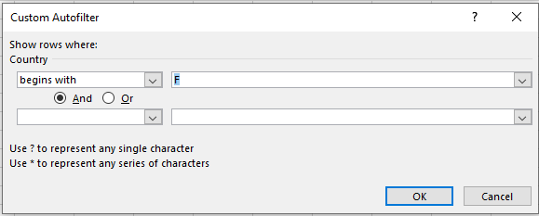
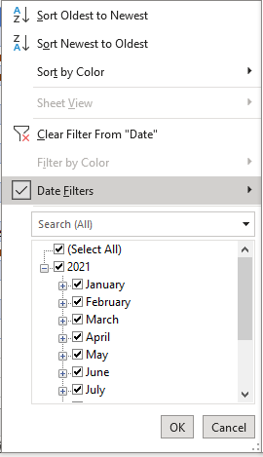
ID | Segment | Country | Date | Profit
5 | Government | France | 2021-09-01 | 135801
25 | Channel Partners | France | 2021-09-01 | 60921
31 | Channel Partners | France | 2021-08-01 | 87532
34 | Midmarket | France | 2021-07-01 | 57399
57 | Government | France | 2021-07-01 | 96209
99 | Midmarket | France | 2021-09-01 | 147727
100 | Enterprise | France | 2021-08-01 | 109849
113 | Enterprise | France | 2021-07-01 | 26819
138 | Government | France | 2021-07-01 | 44394
151 | Government | France | 2021-07-01 | 173616
168 | Small Business | France | 2021-07-01 | 185869
207 | Channel Partners | France | 2021-09-01 | 258051
248 | Government | France | 2021-07-01 | 89802
249 | Government | France | 2021-08-01 | 23250
257 | Government | France | 2021-08-01 | 7382
311 | Midmarket | France | 2021-07-01 | 176652

Day 8 charts1
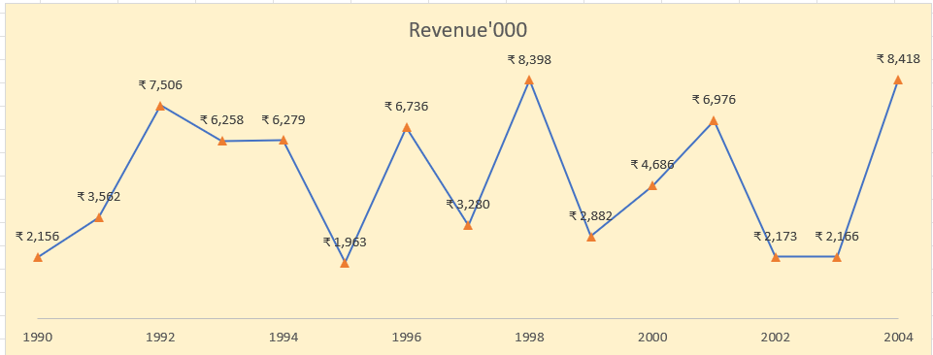
Create Line Chart with Proper formatting
Should be formatted as shown in picture

Date | Revenue'000
1990 | ₹ 2,156
1991 | ₹ 3,562
1992 | ₹ 7,506
1993 | ₹ 6,258
1994 | ₹ 6,279
1995 | ₹ 1,963
1996 | ₹ 6,736
1997 | ₹ 3,280
1998 | ₹ 8,398
1999 | ₹ 2,882
2000 | ₹ 4,686
2001 | ₹ 6,976
2002 | ₹ 2,173
2003 | ₹ 2,166
2004 | ₹ 8,418

Day 8 Charts2
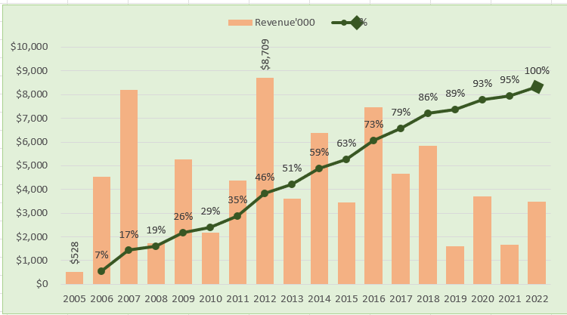
Create Combo Chart with Proper formatting
Should be formatted as shown in picture

Date | Revenue'000 | Running Total | %
2005 | $528
2006 | $4,550 | 5,078.00 | 7%
 | Revenue'000 | %
2005 | $528
2006 | $4,550 | 7%
2007 | $8,189 | 17%
2008 | $1,730 | 19%
2009 | $5,262 | 26%
2010 | $2,172 | 29%
2011 | $4,384 | 35%
2012 | $8,709 | 46%
2013 | $3,618 | 51%
2014 | $6,372 | 59%
2015 | $3,456 | 63%
2016 | $7,478 | 73%
2017 | $4,649 | 79%
2018 | $5,831 | 86%
2019 | $1,599 | 89%
2020 | $3,695 | 93%
2021 | $1,678 | 95%
2022 | $3,490 | 100%
2007 | $8,189 | 13,267.00 | 17%
2008 | $1,730 | 14,997.00 | 19%
2009 | $5,262 | 20,259.00 | 26%
2010 | $2,172 | 22,431.00 | 29%
2011 | $4,384 | 26,815.00 | 35%
2012 | $8,709 | 35,524.00 | 46%
2013 | $3,618 | 39,142.00 | 51%
2014 | $6,372 | 45,514.00 | 59%
2015 | $3,456 | 48,970.00 | 63%
2016 | $7,478 | 56,448.00 | 73%
2017 | $4,649 | 61,097.00 | 79%
2018 | $5,831 | 66,928.00 | 86%
2019 | $1,599 | 68,527.00 | 89%
2020 | $3,695 | 72,222.00 | 93%
2021 | $1,678 | 73,900.00 | 95%
2022 | $3,490 | 77,390.00 | 100%

Total | $77,390

Day 8 Charts3
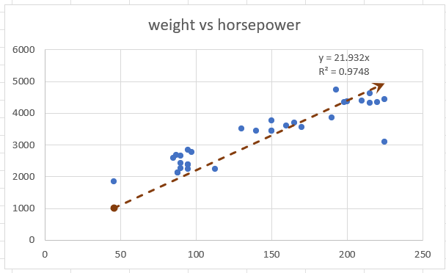
Create Scatter Chart with Proper formatting
Should be formatted as shown in picture
X | Y
horsepower | weight | (X-XBAR) | (Y-YBAR)
130 | 3504
165 | 3693
weight vs horsepower
150 | 3436
150 | 3433
140 | 3449
198 | 4341
220 | 4354
215 | 4312
225 | 4425
190 | 3850
170 | 3563
160 | 3609
150 | 3761
225 | 3086
95 | 2372
95 | 2833
97 | 2774
85 | 2587
88 | 2130
46 | 1835
87 | 2672
90 | 2430
95 | 2375
113 | 2234
90 | 2648
215 | 4615
200 | 4376
210 | 4382
193 | 4732
88 | 2130
90 | 2264
95 | 2228

